Sheet1
Pencarian Setting Hyperparameter ANN untuk Boston Housing Price Dataset

No | Epoch | Batch_Size | Banyak Hidden Layer | Jumlah Hidden Neuron Per-Layer | Activation_Func Per-Layer | Optimizer | Loss_Func | Learning_Rate | Validation Loss | Training Loss
Eksperimen Nomor 1 | 10 | 50 | 1 | [128, ] | [sigmoid, relu] | RMSprop | mean_absolute_error | 0.001 | 12.1341 | 12.5601
 | 20 |  |  |  |  |  |  |  | 7.9746 | 7.8282
 | 30 |  |  |  |  |  |  |  | 6.0029 | 6.0705
 | 40 |  |  |  |  |  |  |  | 5.6108 | 5.6707
 | 50 |  |  |  |  |  |  |  | 5.5674 | 5.5059
 | 60 |  |  |  |  |  |  |  | 5.4164 | 5.3610
 | 70 |  |  |  |  |  |  |  | 5.3203 | 5.2480
 | 80 |  |  |  |  |  |  |  | 5.1503 | 5.1730
 | 90 |  |  |  |  |  |  |  | 5.1273 | 5.2294
 | 100 |  |  |  |  |  |  |  | 5.0409 | 5.0327
Eksperimen Nomor 2 | 80 | 50 | 1 | [128, ] | [sigmoid, relu] | RMSprop | mean_absolute_error | 0.001 | 5.0588 | 4.9487
 |  |  | 2 | [128, 128, ] | [sigmoid, sigmoid, relu] |  |  |  | 4.3074 | 4.2994
 |  |  | 3 | [128, 128, 128, ] | [sigmoid, sigmoid, sigmoid, relu] |  |  |  | 4.3092 | 4.2242
 |  |  | 4 | [128, 128, 128, 128, ] | [sigmoid, sigmoid, sigmoid, sigmoid, relu] |  |  |  | 4.7219 | 4.3638
 |  |  | 5 | [128, 128, 128, 128, 128, ] | [sigmoid, sigmoid, sigmoid, sigmoid, sigmoid, relu] |  |  |  | 4.5224 | 4.5678
Eksperimen Nomor 3 | 80 | 50 | 2 | Kombinasi dari nilai-nilai jumlah hidden neuron 16, 32, 64, 128, 256 | [sigmoid, sigmoid, relu] | RMSprop | mean_absolute_error | 0.001 | 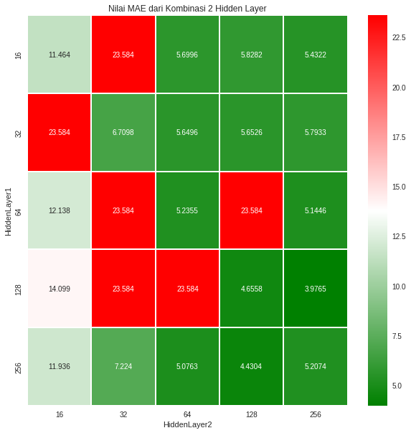
Eksperimen Nomor 4 | 80 | 50 | 3 | Kombinasi dari nilai-nilai jumlah hidden neuron 16, 32, 64, 128, 256 | [sigmoid, sigmoid, sigmoid, relu] | RMSprop | mean_absolute_error | 0.001 | 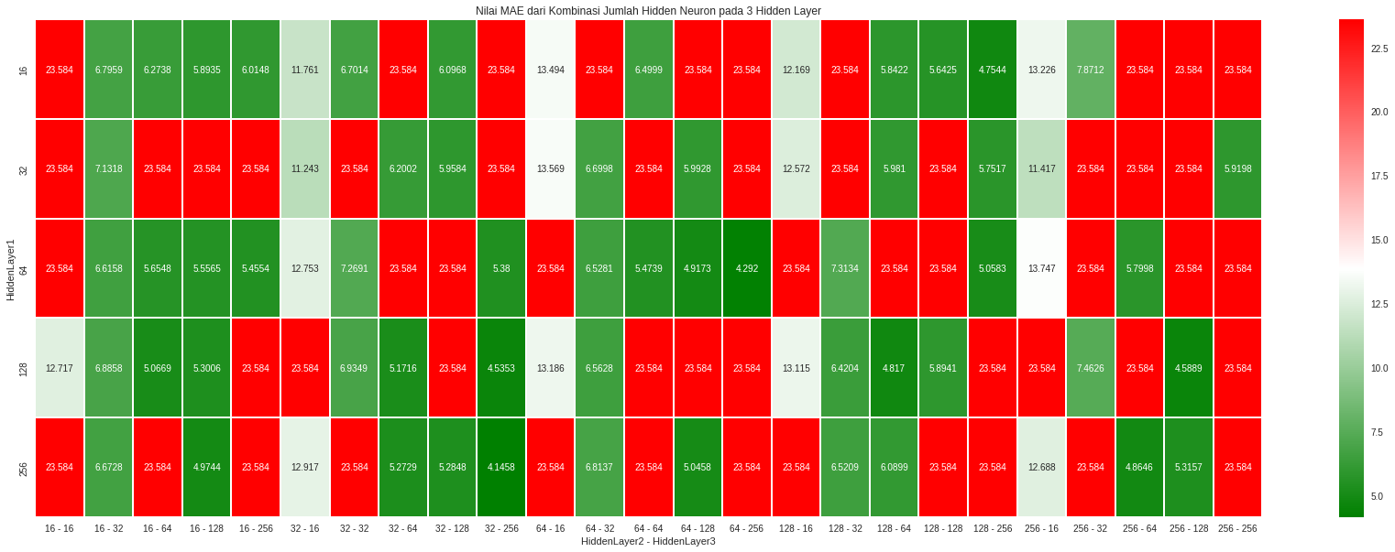
Eksperimen Nomor 5 | 80 | 50 | 2 | [128, 256] | [sigmoid, sigmoid, relu] | RMSprop | mean_absolute_error | 0.001 | 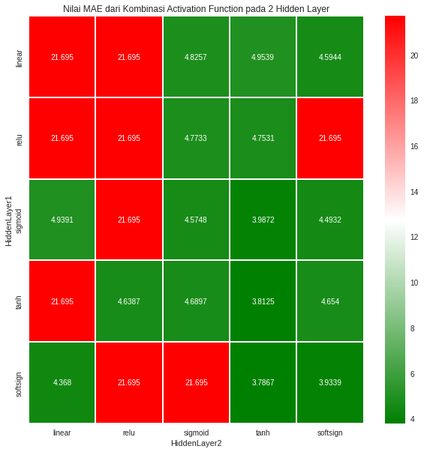
Eksperimen Nomor 6 | 80 | 50 | 2 | [128, 256] | [softsign, tanh, relu] | RMSProp | mean_absolute_error | 0.001 | 3.7102 | 3.9200
 |  |  |  |  |  | Adadelta |  |  | 18.9740 | 19.6081
 |  |  |  |  |  | Adagrad |  |  | 5.4208 | 5.5774
 |  |  |  |  |  | SGD+Momentum |  |  | 5.1797 | 5.3129
 |  |  |  |  |  | Adam |  |  | 3.9381 | 3.6357
 |  |  |  |  |  | Adamax |  |  | 4.2850 | 4.3422
 |  |  |  |  |  | Nadam |  |  | 4.1097 | 3.5611
Eksperimen Nomor 7 | 80 | 50 | 2 | [128, 256] | [softsign, tanh, relu] | Adam | mean_squared_error | 0.001 | 3.4621 | 2.9762
 |  |  |  |  |  |  | mean_absolute_error |  | 3.3212 | 3.0188
 |  |  |  |  |  |  | mean_absolute_percentage_error |  | 4.1122 | 3.9797
 |  |  |  |  |  |  | mean_squared_logarithmic_error |  | 3.5411 | 3.3988
 |  |  |  |  |  |  | cosine_similarity |  | 13.0427 | 13.4989

